Expanation and methodology
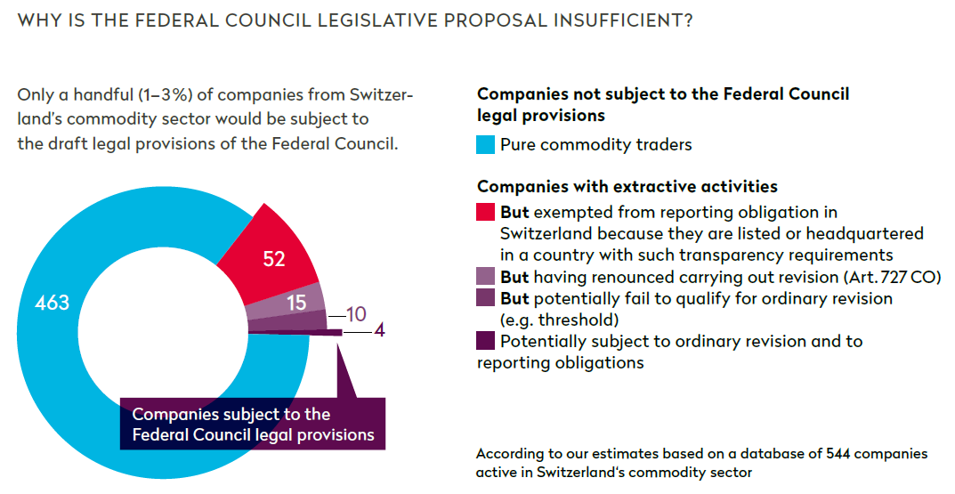
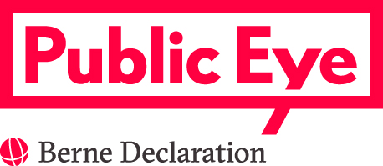 Switzerland’s commodity sector: an analysis by Public Eye to understand why the Federal Council’s legislative proposal is insufficient to fight corruption in resource-rich producing countries. June 2017 Why this database? In the context of the recent revision of Swiss company law, on November 23, 2016 the Federal Council issued legal provisions on transparency of payments to governments in the extractive industry. To date, Swiss authorities have not sought to evaluate the effective impact of those legal provisions. This research aims to fill this gap. To do so, we constituted a database listing as exhaustively as possible companies active in the Swiss commodity sector (for more methodological information, see below). We then identified, out of 544 companies, those that would be subject to the draft provisions of the Federal Council. According to the Federal Council, three cumulative conditions must be met in order for a Swiss company to publish their payments to government entities. They must a) be, directly or indirectly, active in the extraction of minerals, oil and gas or the logging of primary forests (proposed Art. 964a al.1 CO); b) have an obligation to report (proposed Art. 964a al. 3 CO); and c) be subject to ordinary revision (Art. 727 CO). What are the main findings? Our analysis shows that out of a database of 544 companies, proposed rule 964 CO would require only about 4 companies to disclose a report on their payments to governments. The legislative proposal of the Federal Council is therefore largely insufficient to fight corruption in resource-rich producing countries (see graph). In order to be effective, the Federal Council legislative proposal (Art. 964 CO) should be amended in order to include commodity trading firms. Traders are at the core of the Swiss commodity sector, as was already highlighted in the Federal Council’s Background Report: Commodities (2013). Hence, in addition to companies that are, directly or indirectly, active in the ext

